Exerc 5.8
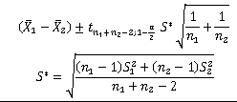
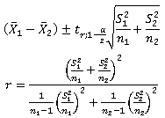
Pill1 | Pill2 | n1 | n2
9.6 | 10.6 | 12 | 10
11.4 | 8.5 | mean1 | mean2
10.2 | 10.8 | 10.433333333 | 10.96
9.4 | 13.2 | var1 | var2
12.1 | 9.7 | 1.5824242424 | 2.1226666667
8.8 | 10.8 | s1 | s2
9.3 | 11.7 | 1.2579444512 | 1.4569374272 | S* | 1.3511229897
10.4 | 12.3 |  |  |  |  | r | 17.978680627
13 | 9.6 |  |  | 1-alpha | 0.95 | d.f. | 17
11.2 | 12.4
9.6 |  |  |  | t | 2.0859634473 | t | 2.1098155778
10.2
 |  |  |  | precision | 1.2067638586 | precision | 1.2376821853

 |  |  |  | CI lower | CI upper | CI lower | CI upper
 |  |  |  | -1.7334305253 | 0.68009719193 | -1.764348852 | 0.71101551866

